Sheet1
 | Total
Afternoon | 34824.5
Morning | 34130.9
Night | 33552.9
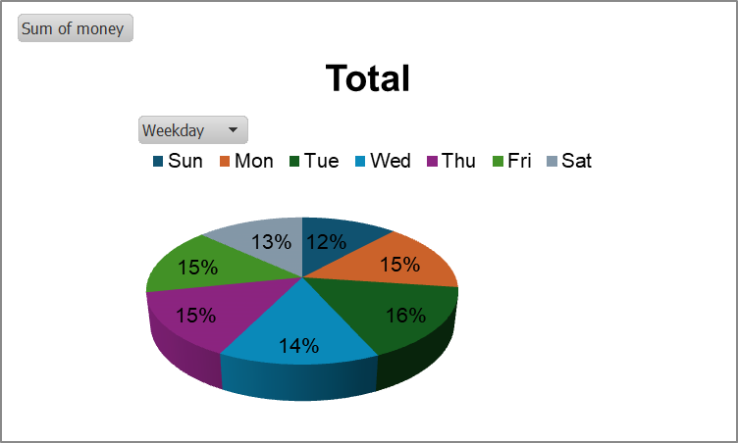
 | Total
6 | 144.5
7 | 2543.2
8 | 6791.5
9 | 6993.8
10 | 9479.2
11 | 8178.7
12 | 6964.9
13 | 6502.5
14 | 6502.5
15 | 6820.4
16 | 8034.2
17 | 6849.3
18 | 6300.2
19 | 6618.1
20 | 4884.1
21 | 5635.5
22 | 3265.7

 | Total
Jan | 5808.9
Feb | 12224.7
Mar | 14276.6
Apr | 4855.2
May | 6964.9
Jun | 6444.7
Jul | 6849.3
Aug | 7860.8
Sep | 9941.6
Oct | 12311.4
Nov | 7485.1
Dec | 7485.1
 | Total
Americano | 16299.6
Americano with Milk | 23380.1
Cappuccino | 14045.4
Cocoa | 6907.1
Cortado | 8294.3
Espresso | 3728.1
Hot Chocolate | 7976.4
Latte | 21877.3
 | Total
card | 102508.3

